100 remaining
true free throw% | 78% |  | true free throw% | 79% | 78% | 75% | 72% | 70%
attempts | 1 |  | attempts | 365 | 730 | 10,000 | 100,000 | 1,000,000
p(success) | 0.1411% | 708.52143443 | p(success) | 65.1% | 64.3% | 74.6% | 63.8% | 78.9%

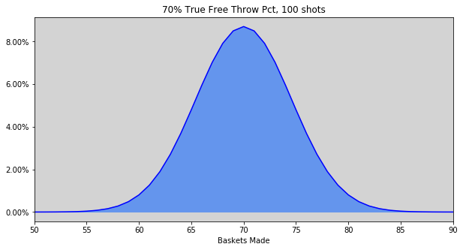
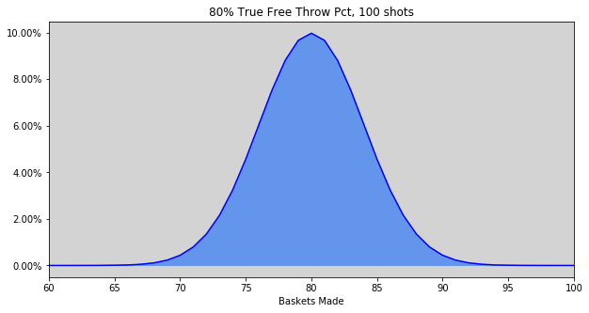
x | p(x) |  | As N->∞ distribution-> N(p*n, p*n*q)
90 | 0.00089339986435
91 | 0.00034807786923
92 | 0.00012072661275
93 | 3.6819846702E-05
94 | 9.7212941487E-06
95 | 2.1768256754E-06
96 | 4.0197065029E-07
97 | 5.8769842029E-08
98 | 6.3785450069E-09
99 | 4.5686548258E-10
100 | 1.6197958019E-11

Single Attempt
p(success) | 0.0014113899049 | 709
p(failure) | 0.9985886101

